SKETCH
 |  |  | COLEMAN
SEASON | FALL 2026 | TECH PACK SENT |  | ORIGINAL DATE: | 1/20/26 | Reason for Revision
GROUP | OUTERWEAR | PROTO RCVD |  | Revised 1:
STYLE # | CF6H4634 | SHOWROOM SAMPLE |  | Revised 2:
DESCRIPTION | PRINTED POLAR FLEECE-LINED CANVAS SHIRT JACKET WITH PENCIL SLOT |  |  | Revised 3:

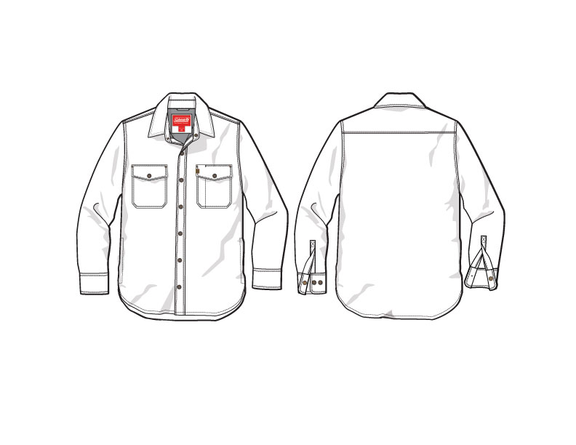
PRODUCTION

FRONT
 |  |  | COLEMAN
SEASON | FALL 2026 | TECH PACK SENT | 0 | ORIGINAL DATE: | 1/20/26 | Reason for Revision
GROUP | OUTERWEAR | PROTO RCVD | 0 | Revised 1: | 0 | 0
STYLE # | CF6H4634 | SHOWROOM SAMPLE | 0 | Revised 2: | 0 | 0
DESCRIPTION | PRINTED POLAR FLEECE-LINED CANVAS SHIRT JACKET WITH PENCIL SLOT |  |  | Revised 3: | 0 | 0

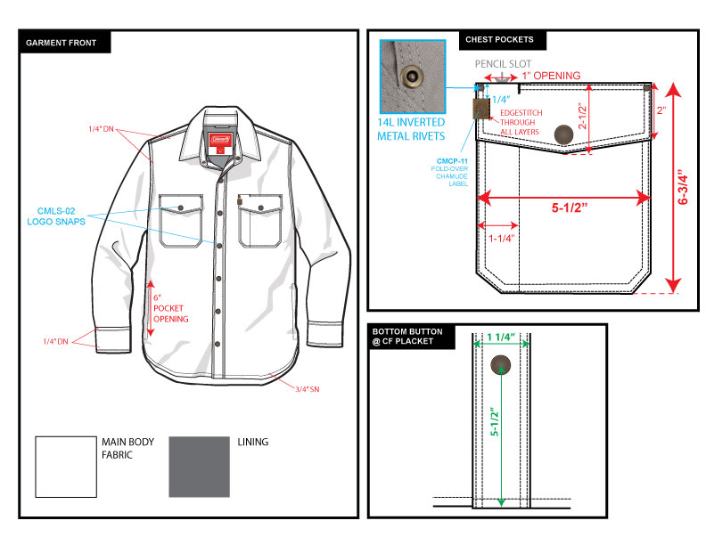

BACK
 |  |  | COLEMAN
SEASON | FALL 2026 | TECH PACK SENT | 0 | ORIGINAL DATE: | 1/20/26 | Reason for Revision
GROUP | OUTERWEAR | PROTO RCVD | 0 | Revised 1: | 0 | 0
STYLE # | CF6H4634 | SHOWROOM SAMPLE | 0 | Revised 2: | 0 | 0
DESCRIPTION | PRINTED POLAR FLEECE-LINED CANVAS SHIRT JACKET WITH PENCIL SLOT |  |  | Revised 3: | 0 | 0

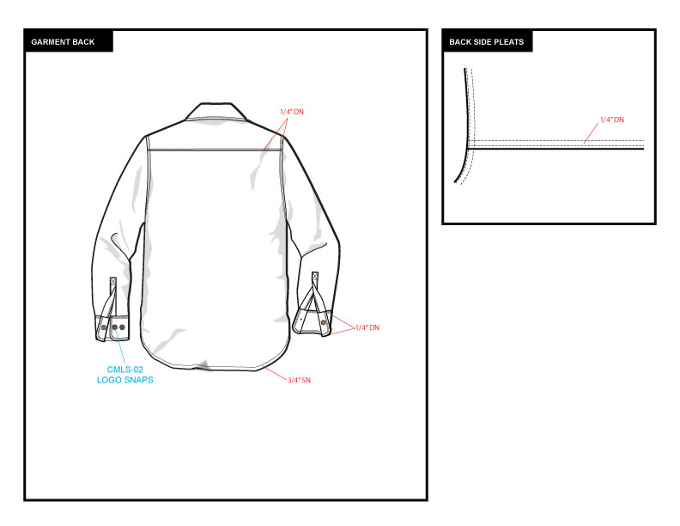

DETAIL
 |  |  | COLEMAN
SEASON | FALL 2026 | TECH PACK SENT | 0 | ORIGINAL DATE: | 1/20/26 | Reason for Revision
GROUP | OUTERWEAR | PROTO RCVD | 0 | Revised 1: | 0 | 0
STYLE # | CF6H4634 | SHOWROOM SAMPLE | 0 | Revised 2: | 0 | 0
DESCRIPTION | PRINTED POLAR FLEECE-LINED CANVAS SHIRT JACKET WITH PENCIL SLOT |  |  | Revised 3: | 0 | 0

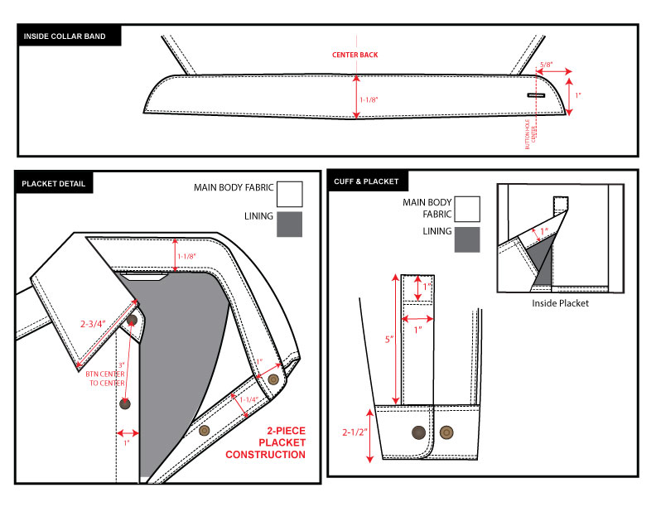

COLORS
 |  |  | COLEMAN
SEASON | FALL 2026 | TECH PACK SENT | 0 | ORIGINAL DATE: | 1/20/26 | Reason for Revision
GROUP | OUTERWEAR | PROTO RCVD | 0 | Revised 1: | 0 | 0
STYLE # | CF6H4634 | SHOWROOM SAMPLE | 0 | Revised 2: | 0 | 0
DESCRIPTION | PRINTED POLAR FLEECE-LINED CANVAS SHIRT JACKET WITH PENCIL SLOT |  |  | Revised 3: | 0 | 0

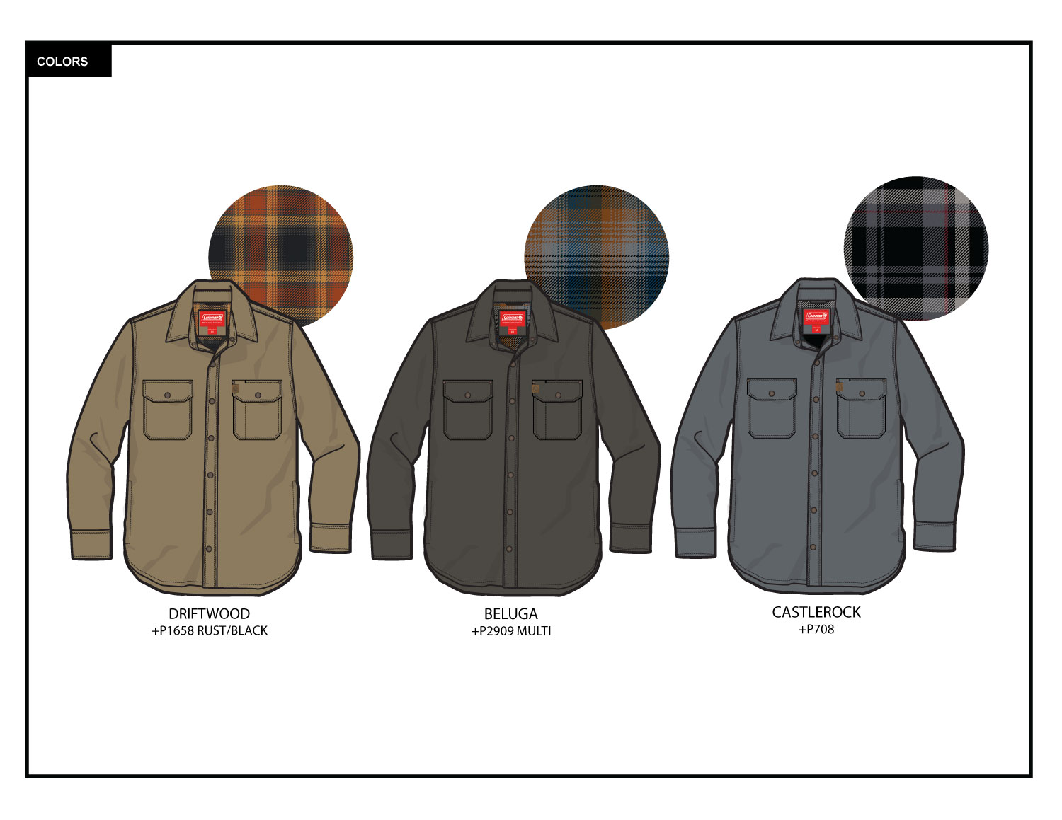

TRIM DETAIL
 |  |  | COLEMAN
SEASON | FALL 2026 | TECH PACK SENT | 0 | ORIGINAL DATE: | 1/20/26 | Reason for Revision
GROUP | OUTERWEAR | PROTO RCVD | 0 | Revised 1: | 0 | 0
STYLE # | CF6H4634 | SHOWROOM SAMPLE | 0 | Revised 2: | 0 | 0
DESCRIPTION | PRINTED POLAR FLEECE-LINED CANVAS SHIRT JACKET WITH PENCIL SLOT |  |  | Revised 3: | 0 | 0

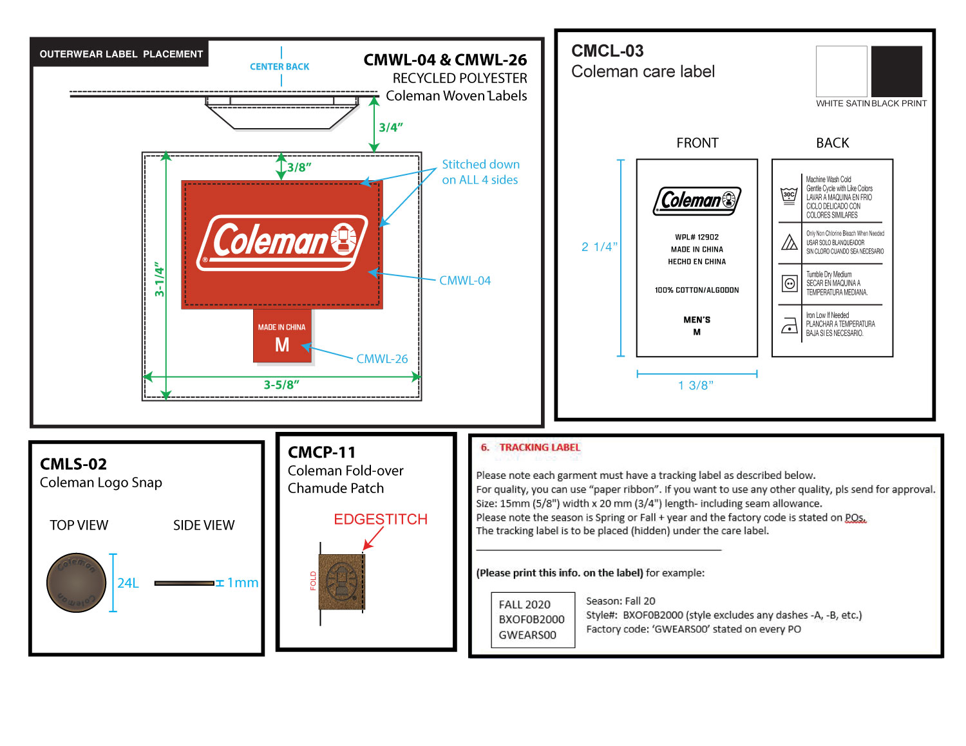

 |  |  | COLEMAN
SEASON | FALL 2026 | TECH PACK SENT | 0 | ORIGINAL DATE: | 1/20/26 | Reason for Revision
GROUP | OUTERWEAR | PROTO RCVD | 0 | Revised 1: | 0 | 0
STYLE # | CF6H4634 | SHOWROOM SAMPLE | 0 | Revised 2: | 0 | 0
DESCRIPTION | PRINTED POLAR FLEECE-LINED CANVAS SHIRT JACKET WITH PENCIL SLOT |  |  | Revised 3: | 0 | 0

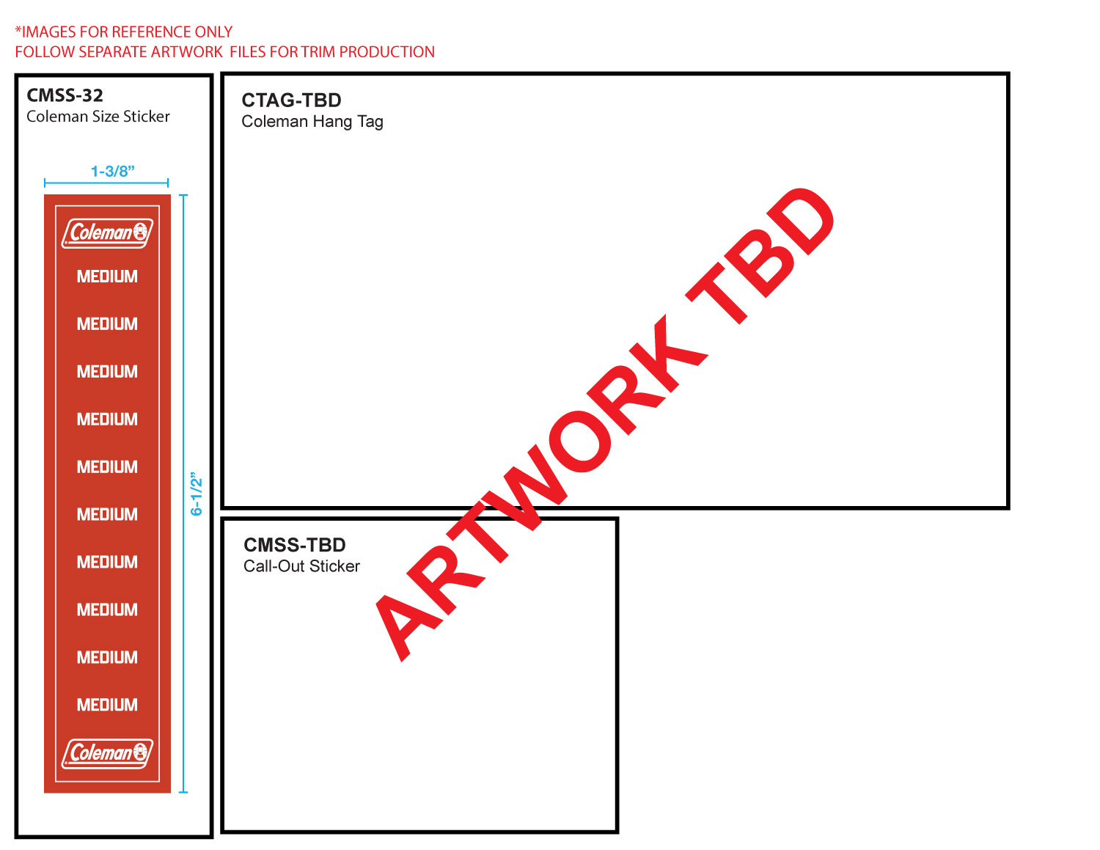

 |  |  | COLEMAN
SEASON | FALL 2026 | PROTO # | 0 | ORIGINAL DATE: | 1/20/26 | Reason for Revision
GROUP | OUTERWEAR | PO# | 0 | Revised 1: | 0 | 0
STYLE # | CF6H4634 | VENDOR | 0 | Revised 2: | 0 | 0
DESCRIPTION | PRINTED POLAR FLEECE-LINED CANVAS SHIRT JACKET WITH PENCIL SLOT |  |  | Revised 3: | 0 | 0

