FRONT
 |  |  | COLEMAN
SEASON | FALL 2026 | TECH PACK SENT | 2026-01-13 | ORIGINAL DATE: | 1/11/26 | Reason for Revision
GROUP | BOTTOMS | PROTO RCVD | 0 | Revised 1: | 1/16/26 | UPDATED BRANDING
STYLE # | CF6P5947 | SHOWROOM SAMPLE | 0 | Revised 2: | 0 | 0
DESCRIPTION | BONDED CANVAS UTILITY PANTS WITH PATCH CELL POCKET |  |  | Revised 3: | 0 | 0

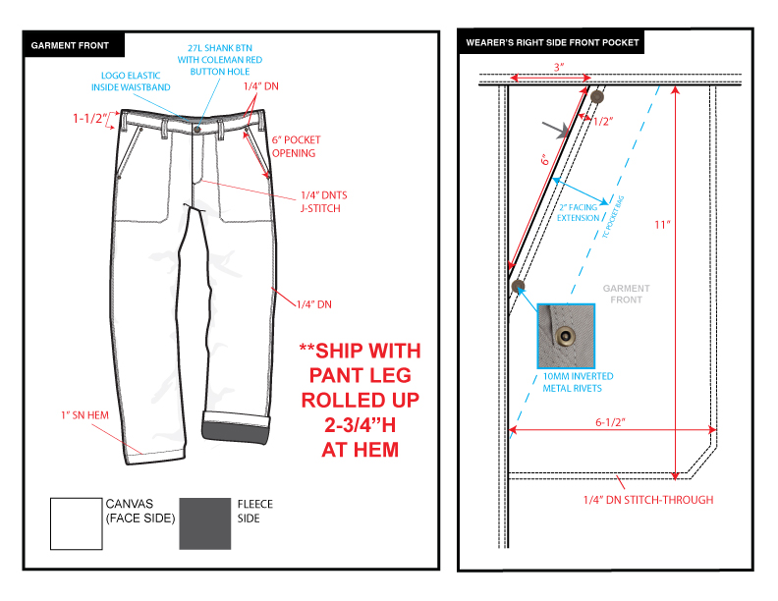

BACK
 |  |  | COLEMAN
SEASON | FALL 2026 | TECH PACK SENT | 2026-01-13 | ORIGINAL DATE: | 1/11/26 | Reason for Revision
GROUP | BOTTOMS | PROTO RCVD | 0 | Revised 1: | 1/16/26 | UPDATED BRANDING
STYLE # | CF6P5947 | SHOWROOM SAMPLE | 0 | Revised 2: | 0 | 0
DESCRIPTION | BONDED CANVAS UTILITY PANTS WITH PATCH CELL POCKET |  |  | Revised 3: | 0 | 0

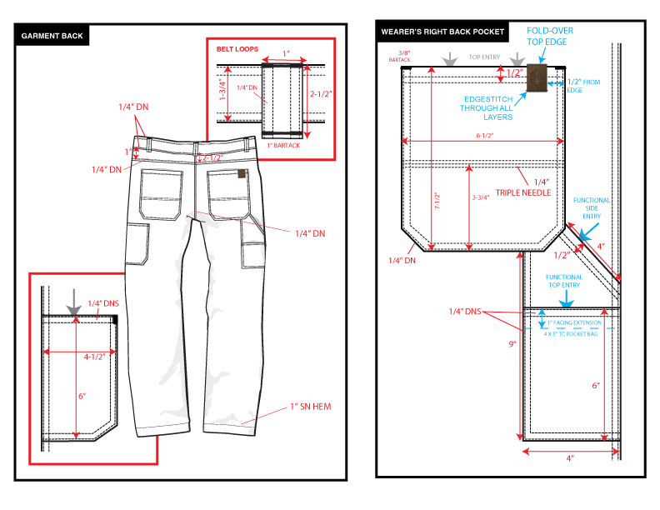

COLORS
 |  |  | COLEMAN
SEASON | FALL 2026 | TECH PACK SENT | 2026-01-13 | ORIGINAL DATE: | 1/11/26 | Reason for Revision
GROUP | BOTTOMS | PROTO RCVD | 0 | Revised 1: | 1/16/26 | UPDATED BRANDING
STYLE # | CF6P5947 | SHOWROOM SAMPLE | 0 | Revised 2: | 0 | 0
DESCRIPTION | BONDED CANVAS UTILITY PANTS WITH PATCH CELL POCKET |  |  | Revised 3: | 0 | 0

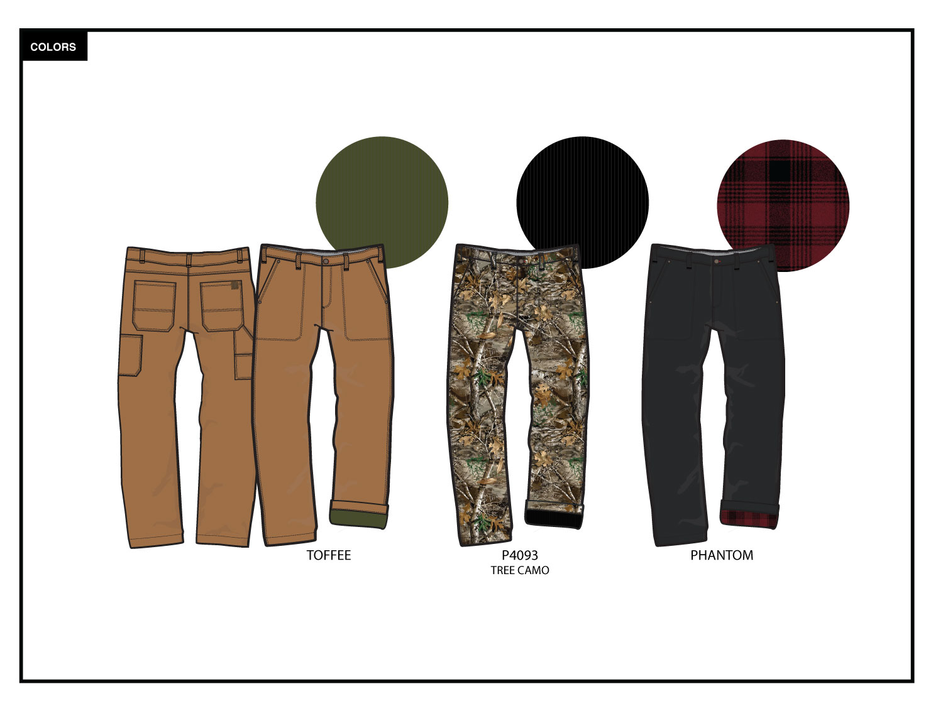

TRIM DETAIL
 |  |  | COLEMAN
SEASON | FALL 2026 | TECH PACK SENT | 2026-01-13 | ORIGINAL DATE: | 1/11/26 | Reason for Revision
GROUP | BOTTOMS | PROTO RCVD | 0 | Revised 1: | 1/16/26 | UPDATED BRANDING
STYLE # | CF6P5947 | SHOWROOM SAMPLE | 0 | Revised 2: | 0 | 0
DESCRIPTION | BONDED CANVAS UTILITY PANTS WITH PATCH CELL POCKET |  |  | Revised 3: | 0 | 0

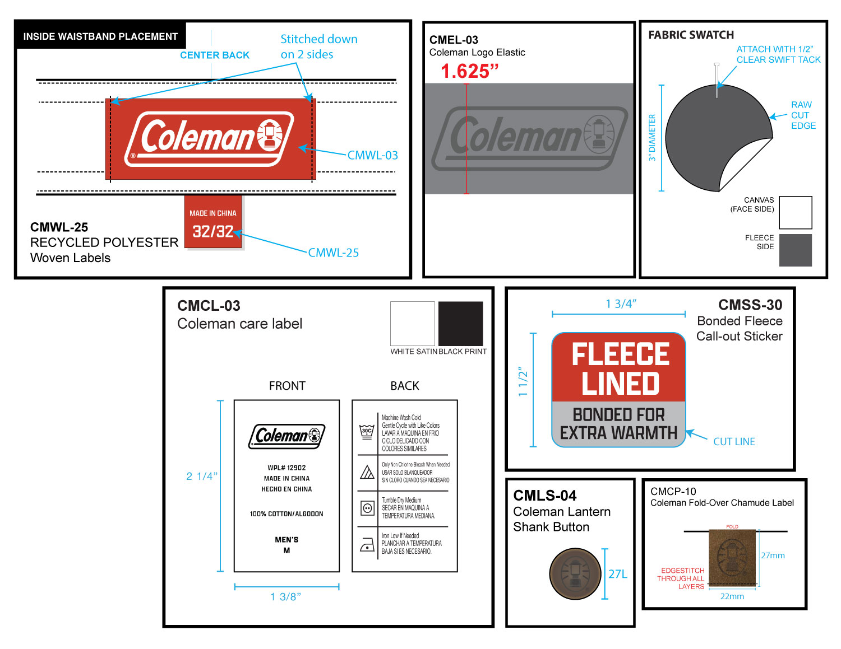

 |  |  | COLEMAN
SEASON | FALL 2026 | TECH PACK SENT | 2026-01-13 | ORIGINAL DATE: | 1/11/26 | Reason for Revision
GROUP | BOTTOMS | PROTO RCVD | 0 | Revised 1: | 1/16/26 | UPDATED BRANDING
STYLE # | CF6P5947 | SHOWROOM SAMPLE | 0 | Revised 2: | 0 | 0
DESCRIPTION | BONDED CANVAS UTILITY PANTS WITH PATCH CELL POCKET |  |  | Revised 3: | 0 | 0

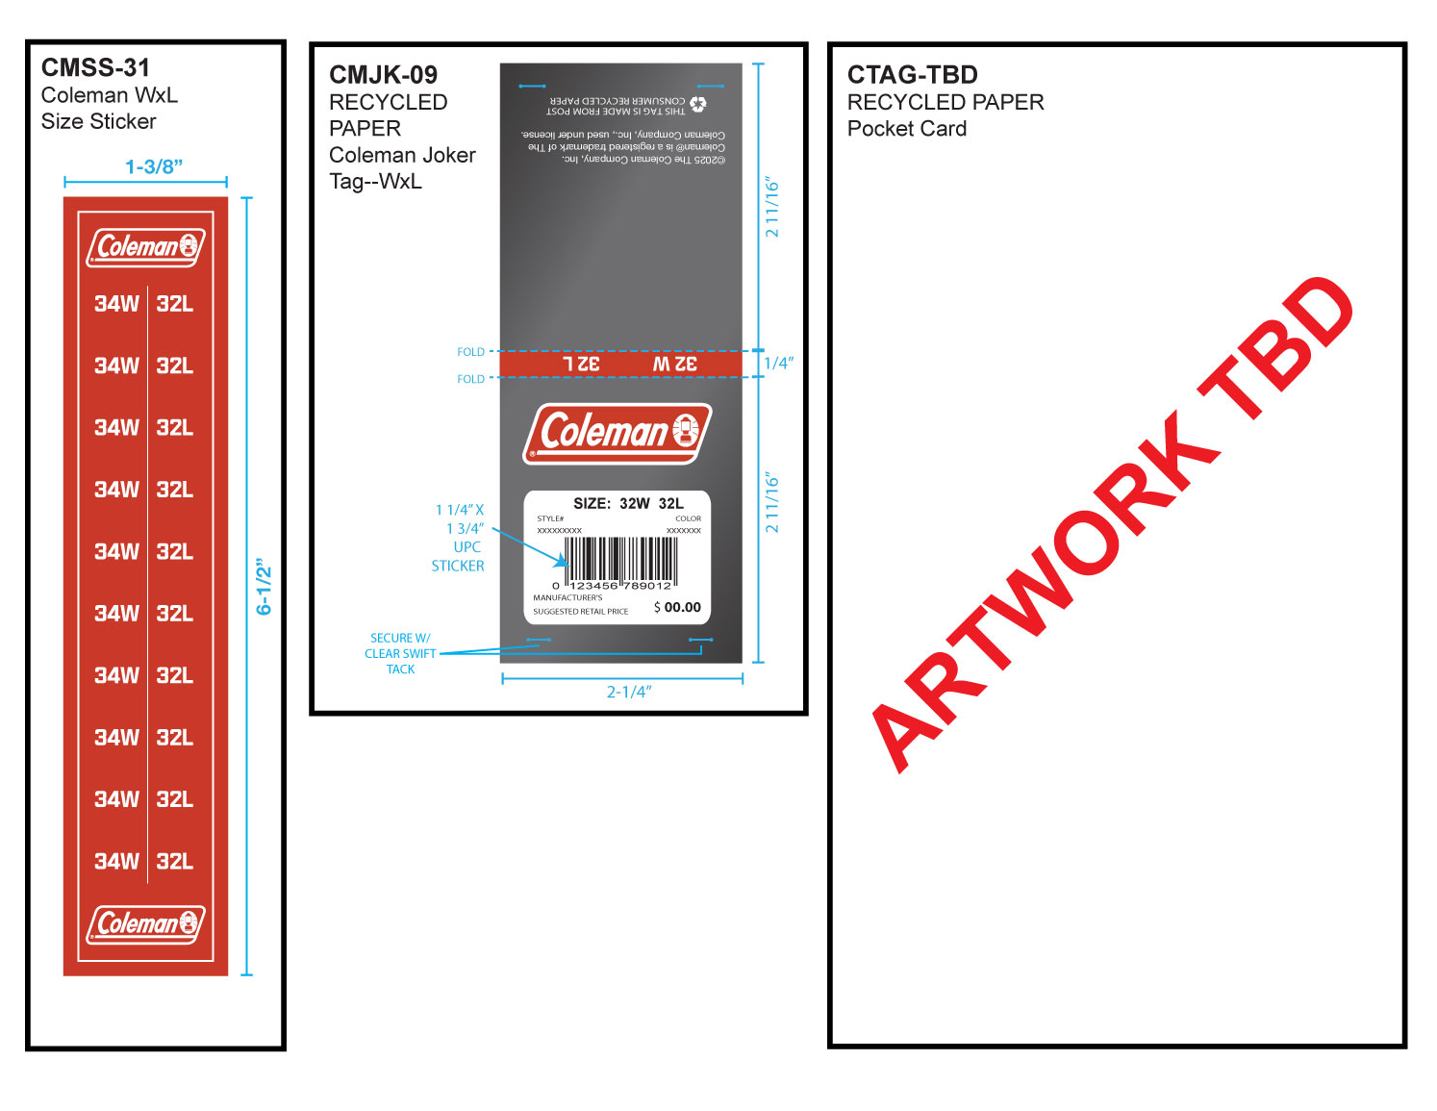

 |  |  | COLEMAN
SEASON | FALL 2026 | PROTO # | 46035 | ORIGINAL DATE: | 1/11/26 | Reason for Revision
GROUP | BOTTOMS | PO# | 0 | Revised 1: | 0 | UPDATED BRANDING
STYLE # | CF6P5947 | VENDOR | 0 | Revised 2: | 0 | 0
DESCRIPTION | BONDED CANVAS UTILITY PANTS WITH PATCH CELL POCKET |  |  | Revised 3: | 0 | 0

