SKETCH
 |  |  | COLEMAN
SEASON | FALL 2026 | TECH PACK SENT | 1/29/26 | ORIGINAL DATE: | 1/29/26 | Reason for Revision
GROUP | BOTTOMS | PROTO RCVD |  | Revised 1:
STYLE # | CF6P5954 | SHOWROOM SAMPLE |  | Revised 2:
DESCRIPTION | BONDED CANVAS BIB OVERALLS |  |  | Revised 3:

PRODUCTION
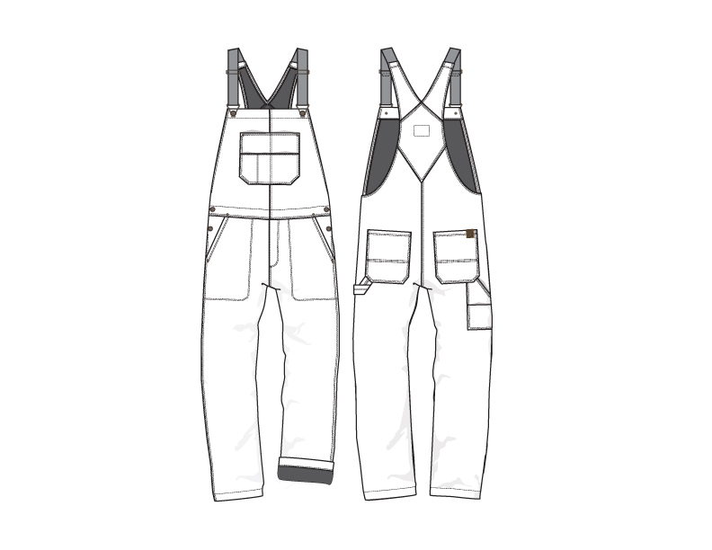

FRONT
 |  |  | COLEMAN
SEASON | FALL 2026 | TECH PACK SENT | 2026-01-29 | ORIGINAL DATE: | 1/29/26 | Reason for Revision
GROUP | BOTTOMS | PROTO RCVD | 0 | Revised 1: | 0 | 0
STYLE # | CF6P5954 | SHOWROOM SAMPLE | 0 | Revised 2: | 0 | 0
DESCRIPTION | BONDED CANVAS BIB OVERALLS |  |  | Revised 3: | 0 | 0

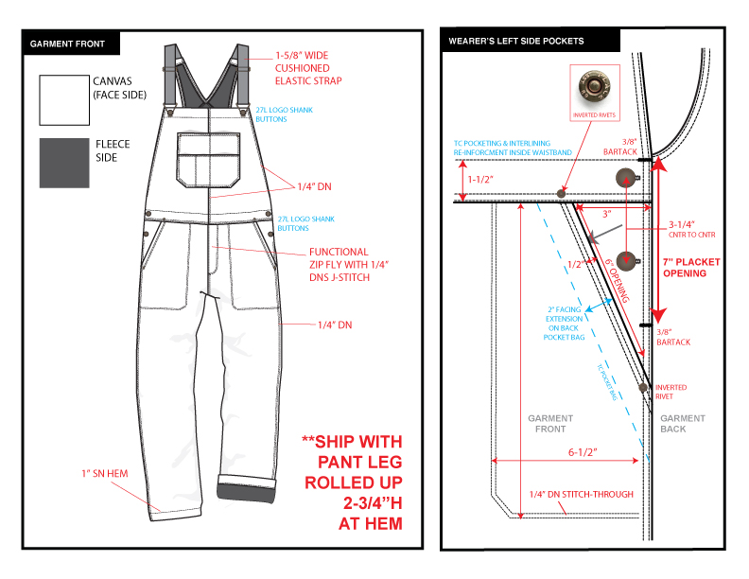

BACK
 |  |  | COLEMAN
SEASON | FALL 2026 | TECH PACK SENT | 2026-01-29 | ORIGINAL DATE: | 1/29/26 | Reason for Revision
GROUP | BOTTOMS | PROTO RCVD | 0 | Revised 1: | 0 | 0
STYLE # | CF6P5954 | SHOWROOM SAMPLE | 0 | Revised 2: | 0 | 0
DESCRIPTION | BONDED CANVAS BIB OVERALLS |  |  | Revised 3: | 0 | 0

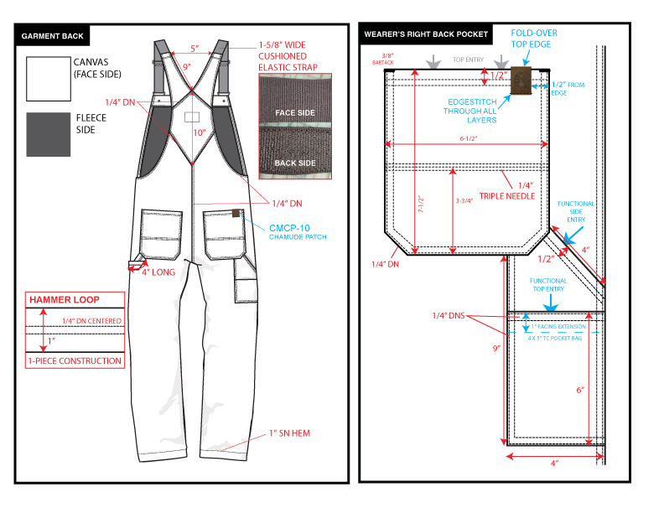

DETAIL
 |  |  | COLEMAN
SEASON | FALL 2026 | TECH PACK SENT | 2026-01-29 | ORIGINAL DATE: | 1/29/26 | Reason for Revision
GROUP | BOTTOMS | PROTO RCVD | 0 | Revised 1: | 0 | 0
STYLE # | CF6P5954 | SHOWROOM SAMPLE | 0 | Revised 2: | 0 | 0
DESCRIPTION | BONDED CANVAS BIB OVERALLS |  |  | Revised 3: | 0 | 0

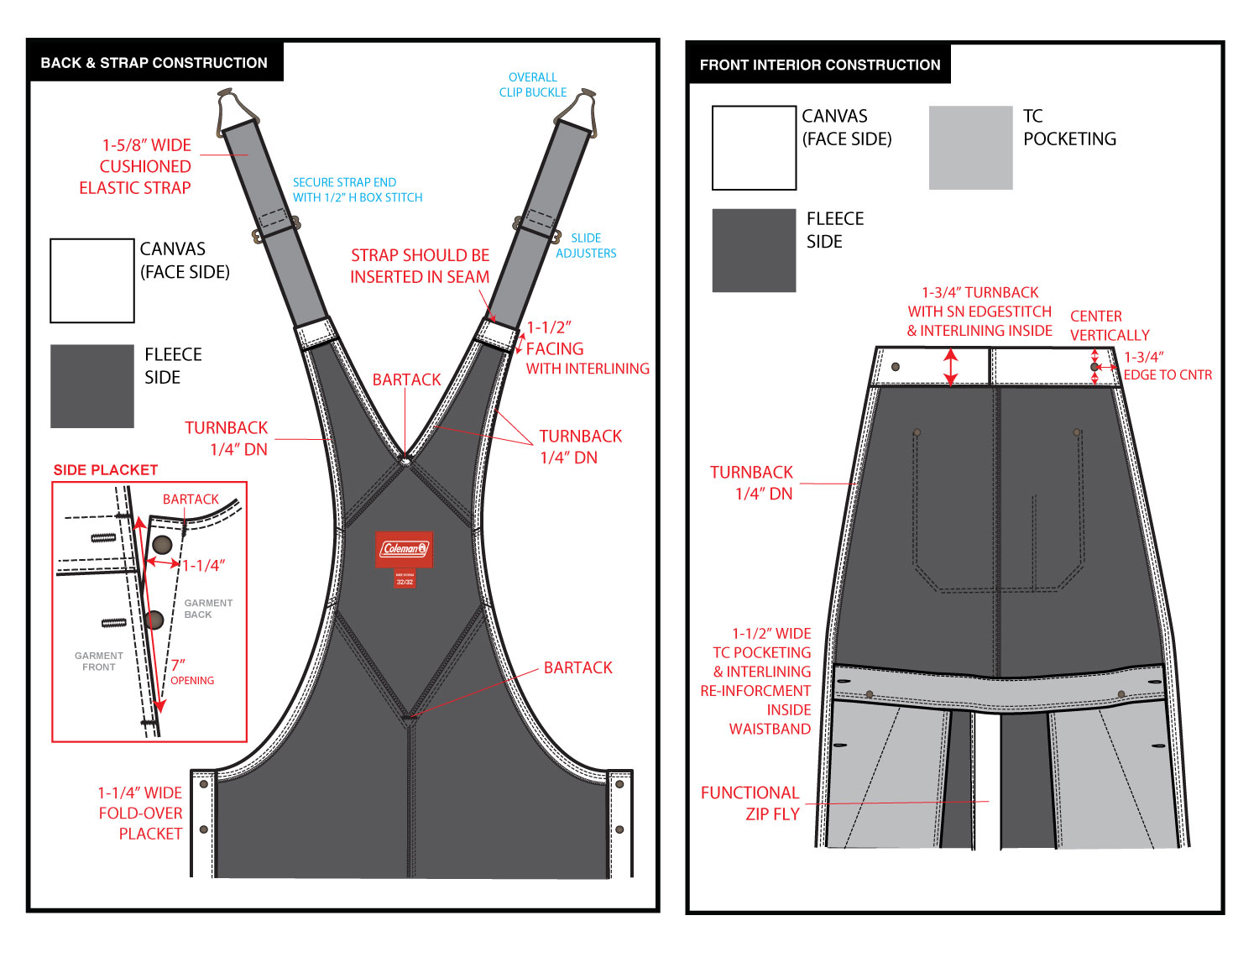

DETAIL (2)
 |  |  | COLEMAN
SEASON | FALL 2026 | TECH PACK SENT | 2026-01-29 | ORIGINAL DATE: | 1/29/26 | Reason for Revision
GROUP | BOTTOMS | PROTO RCVD | 0 | Revised 1: | 0 | 0
STYLE # | CF6P5954 | SHOWROOM SAMPLE | 0 | Revised 2: | 0 | 0
DESCRIPTION | BONDED CANVAS BIB OVERALLS |  |  | Revised 3: | 0 | 0

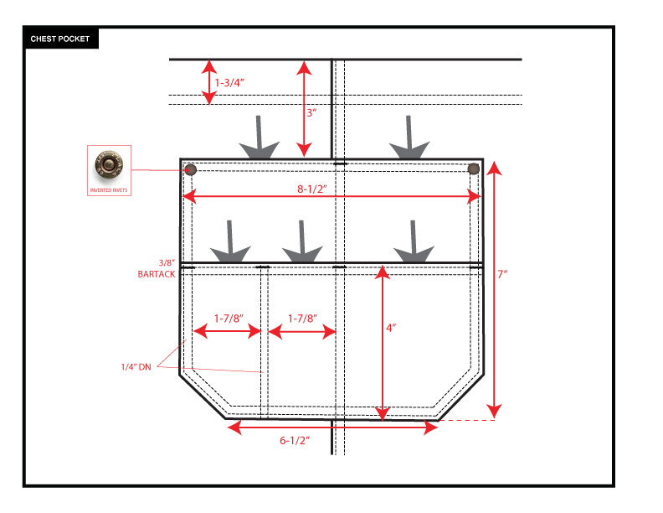

COLORS
 |  |  | COLEMAN
SEASON | FALL 2026 | TECH PACK SENT | 2026-01-29 | ORIGINAL DATE: | 1/29/26 | Reason for Revision
GROUP | BOTTOMS | PROTO RCVD | 0 | Revised 1: | 0 | 0
STYLE # | CF6P5954 | SHOWROOM SAMPLE | 0 | Revised 2: | 0 | 0
DESCRIPTION | BONDED CANVAS BIB OVERALLS |  |  | Revised 3: | 0 | 0

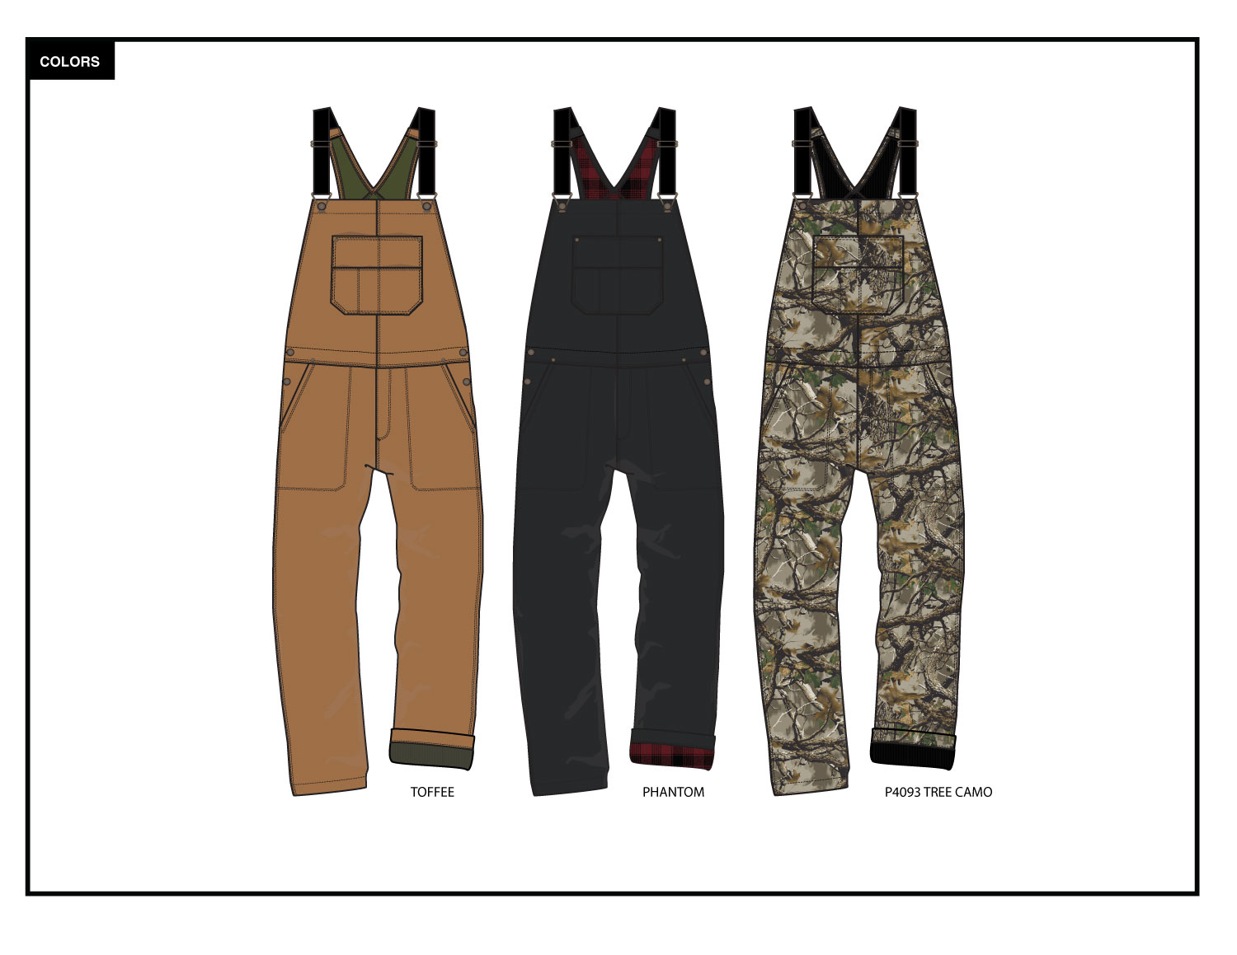

FABRIC & TRIM
 |  |  |  |  |  |  | COLEMAN
SEASON | FALL 2026 |  |  |  |  | TECH PACK SENT | 2026-01-29 |  | ORIGINAL DATE: | 1/29/26 | Reason for Revision
GROUP | BOTTOMS |  |  |  |  | PROTO RCVD | 0 |  | Revised 1: | 0 | 0
STYLE # | CF6P5954 |  |  |  |  | SHOWROOM SAMPLE | 0 |  | Revised 2: | 0 | 0
DESCRIPTION | BONDED CANVAS BIB OVERALLS |  |  |  |  |  |  |  | Revised 3: | 0 | 0

FABRIC
MATERIAL DESCRIPTION | VENDOR | CONTENT | WT/GG | PLACEMENT |  | CLRWY 1 | CLRWY 2 | CLRWY 3 | CLRWY 4 | CLRWY 5 | CLRWY 6
W1169 CANVAS BONDED TO GRID FLEECE | FTY DEVELOPED | 98% COTTON/2% SPANDEX + 100% POLYESTER | 410 GSM (B/W) | MAIN BODY FABRIC |  |  | TOFFEE CANVAS/OLIVE FLEECE | P4093 TREE CAMO/ BLACK FLEECE
W1171 CANVAS BONDED TO PRINTED FLEECE | FTY DEVELOPED | 98% COTTON/2% SPANDEX + 100% POLYESTER | 410 GSM (B/W) | MAIN BODY FABRIC |  | PHANTOM/ P1009 RED BLACK FLEECE
TC POCKETING: NATURAL OR COLORED AS SUITS EACH BODY COLOR | FTY DEVELOPED | 80% POLY/ 20% COTTON | 95 GSM | RE-INFORCED WAISTBAND AND PIECED INSIDE FRONT POCKET BAGS & LOWER TOOL POCKET |  | BLACK | DTM OLIVE | BLACK
INTERLINING: WHITE, CHARCOAL, OR BLACK AS SUITS EACH BODY COLOR | FTY DEVELOPED |  |  | INSIDE CF FLY, TOP EDGE BIB FOLD OVER, BACK STRAP FACINGS, RE-INFORCED INTERIOR WAISTBAND, SIDE BUTTON PLACKETS, AND ELSEWHERE AS NEEDED |  | BLACK | WHITE | BLACK
SRS REQUEST
NOTES/WASH | GARMENT ENZYME WASH--SAME AS P5491 PRODUCTION
GARMENT FEATURES* | TEAR RESISTANT
*IT IS THE RESPONSIBILITY OF THE VENDOR TO INCLUDE THESE FEATURES AND THE NECESSARY TESTS TO CONFIRM CLAIMS WHETHER THEY ARE INHERENT OR ADDED TO THE FABRIC
TRIMS & NOTIONS
MATERIAL DESCRIPTION | VENDOR | TRIM CODE | SIZE | PLACEMENT | QTY | CLRWY 1 | CLRWY 2 | CLRWY 3 | CLRWY 4 | CLRWY 5 | CLRWY 6
CUSHIONED ELASTIC | FTY DEVELOPED |  | 1-5/8" WIDE | 1 STRAP @ EACH SHOULDER | 2 | BLACK | BLACK | BLACK
COLEMAN LOGO SHANK BUTTON | FTY DEVELOPED | CMLS-05 | 27L | 1 @ EACH STRAP CLOSURE AND 2 @ EACH SIDE HIP PLACKET | 6 | ANTIQUE BRASS | ANTIQUE BRASS | ANTIQUE BRASS
METAL CLIP BUCKLE FOR OVERALLS | FTY DEVELOPED |  |  | 1 @ EACH STRAP CLOSURE | 2 | ANTIQUE BRASS | ANTIQUE BRASS | ANTIQUE BRASS
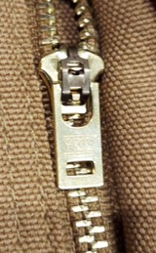
METAL SLIDE STRAP ADJUSTER | FTY DEVELOPED |  |  | 1 @ EACH STRAP | 2 | ANTIQUE BRASS | ANTIQUE BRASS | ANTIQUE BRASS
METAL ZIPPER TEETH | YKK OR EQUIVALENT |  | #4.5 | CF FLY | 1 | ANTIQUE BRASS | ANTIQUE BRASS | ANTIQUE BRASS
POLY ZIPPER TAPE | YKK (NATULON) OR EQUIVALENT |  | #4.5 | CF FLY | 1 | COLEMAN RED | COLEMAN RED | COLEMAN RED
AUTO-LOCK METAL ZIPPER SLIDE/PULL | YKK OR EQUIVALENT | FOLLOW IMAGE AT RIGHT FOR PULL SHAPE | #4.5 | CF FLY | 1 | ANTIQUE BRASS | ANTIQUE BRASS | ANTIQUE BRASS
INVERTED METAL RIVETS |  |  | 10MM DIA. | 1 @ EACH TOP CORNER OF CHEST POCKET AND 1 @ EACH CORNER OF FRONT HAND POCKETS | 6 | ANTIQUE BRASS | ANTIQUE BRASS | ANTIQUE BRASS
COLEMAN FOLD-OVER CHAMUDE PATCH | FTY DEVELOPED | CMCP-10 |  | FOLDED AROUND UPPER RIGHT EDGE OF WEARER'S BACK RIGHT POCKET | 1 | BROWN | BROWN | BROWN
THREAD | FTY SUPPLY |  | AS REQUIRED | MAIN BODY THREAD |  | DTM BODY | DTM BODY | DTM BODY

RECYCLED POLYESTER MAIN LABEL | FTY DEVELOPED | CMWL-01 |  | INSIDE CENTER BACK PANEL | 1 | COLEMAN RED | COLEMAN RED | COLEMAN RED
RECYCLED POLYESTER COO/ SIZE LABEL | FTY DEVELOPED | CMWL-25 |  | SEWN BELOW MAIN LABEL | 1 | COLEMAN RED | COLEMAN RED | COLEMAN RED
CARE LABEL | FTY DEVELOPED | CMCL-03 |  | INSIDE WEARER'S LEFT SIDE SEAM, 4" BELOW TOP OF WAISTBAND | 1 | WHITE | WHITE | WHITE
TRACKING LABEL | FTY DEVELOPED |  | 5/8 X 3/4" | PLACED (HIDDEN) UNDER CARE LABEL |  | WHITE | WHITE | WHITE
FABRIC SWATCH | FTY DEVELOPED |  | 3" DIA. | ATTACHED WITH 1/2" CLEAR SWIFT TACK (PRODUCTION WILL ADVISE PLACEMENT) | 1 | PHANTOM/ P1009 RED BLACK FLEECE | TOFFEE CANVAS/OLIVE FLEECE | P4093 TREE CAMO/ BLACK FLEECE

HANGTAGS & PACKAGING
MATERIAL DESCRIPTION | VENDOR | TRIM CODE | SIZE | PLACEMENT | QTY | CLRWY 1 | CLRWY 2 | CLRWY 3 | CLRWY 4 | CLRWY 5 | CLRWY 6
RECYCLED PAPER WXL JOKER TICKET | FTY DEVELOPED | CMJK-03 |  | PRODUCTION WILL ADVISE PLACEMENT | 1
RECYCLED PAPER POCKET CARD | FTY DEVELOPED | TBD |  | PRODUCTION WILL ADVISE PLACEMENT | 1
SIZE STICKER | FTY DEVELOPED | CMSS-04 |  | PRODUCTION WILL ADVISE PLACEMENT | 1
CALL-OUT STICKER | FTY DEVELOPED | CMSS-30 |  | PRODUCTION WILL ADVISE PLACEMENT | 1

TRIMS FOR SAM'S ORDER ONLY
RECYCLED PAPER SAM'S HANG TAG WITH RFID | R-PAC | CTAG-154 |  | PRODUCTION WILL ADVISE PLACEMENT | 1 | PHOTO WITH SAM'S COLOR CODE | PHOTO WITH SAM'S COLOR CODE | PHOTO WITH SAM'S COLOR CODE
RECYCELD PAPER SAM'S POCKET CARD | FTY DEVELOPED | CTAG-155 |  | PRODUCTION WILL ADVISE PLACEMENT | 1 | BLACK WITH SAM'S COLOR CODE | BLACK WITH SAM'S COLOR CODE | BLACK WITH SAM'S COLOR CODE
SAM'S W X L SIZE STICKER | FTY DEVELOPED |  |  | PRODUCTION WILL ADVISE PLACEMENT | 1 | SAM'S COLOR CODE | SAM'S COLOR CODE | SAM'S COLOR CODE
CALL-OUT STICKER | FTY DEVELOPED | CMSS-30 |  | PRODUCTION WILL ADVISE PLACEMENT | 1 | RED/ GREY | RED/ GREY | RED/ GREY

TRIM DETAIL
 |  |  | COLEMAN
SEASON | FALL 2026 | TECH PACK SENT | 2026-01-29 | ORIGINAL DATE: | 1/29/26 | Reason for Revision
GROUP | BOTTOMS | PROTO RCVD | 0 | Revised 1: | 0 | 0
STYLE # | CF6P5954 | SHOWROOM SAMPLE | 0 | Revised 2: | 0 | 0
DESCRIPTION | BONDED CANVAS BIB OVERALLS |  |  | Revised 3: | 0 | 0

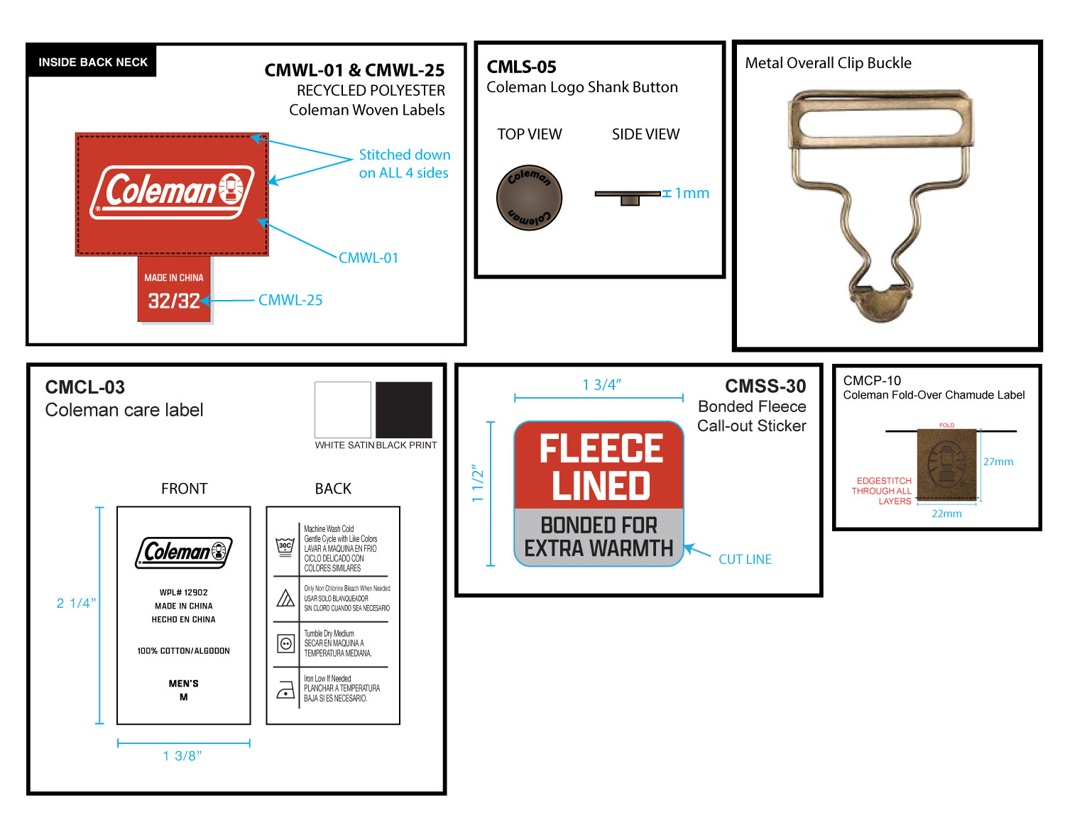

 |  |  | COLEMAN
SEASON | FALL 2026 | TECH PACK SENT | 2026-01-29 | ORIGINAL DATE: | 1/29/26 | Reason for Revision
GROUP | BOTTOMS | PROTO RCVD | 0 | Revised 1: | 0 | 0
STYLE # | CF6P5954 | SHOWROOM SAMPLE | 0 | Revised 2: | 0 | 0
DESCRIPTION | BONDED CANVAS BIB OVERALLS |  |  | Revised 3: | 0 | 0

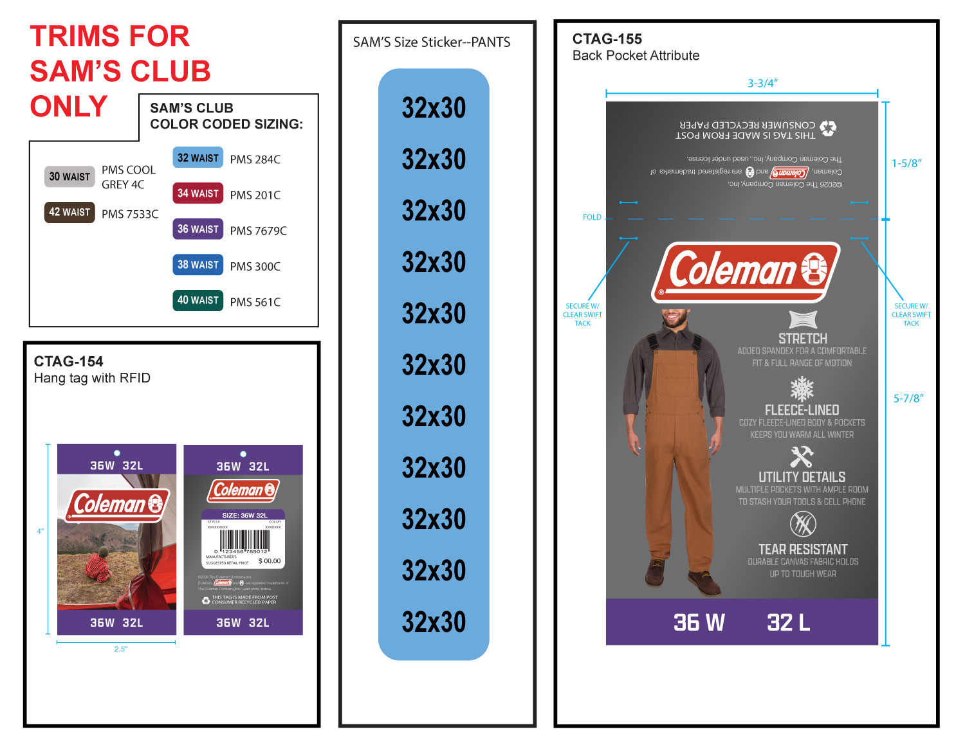

 |  |  | COLEMAN
SEASON | FALL 2026 | PROTO # | 46051 | ORIGINAL DATE: | 1/29/26 | Reason for Revision
GROUP | BOTTOMS | PO# | 0 | Revised 1: | 0 | 0
STYLE # | CF6P5954 | VENDOR | 0 | Revised 2: | 0 | 0
DESCRIPTION | BONDED CANVAS BIB OVERALLS |  |  | Revised 3: | 0 | 0

