SKETCH
 |  |  | COLEMAN
SEASON | FALL 2026 | TECH PACK SENT | 2/4/26 | ORIGINAL DATE: | 2/4/26 | Reason for Revision
GROUP | BOTTOMS | PROTO RCVD |  | Revised 1:
STYLE # | CF6P5959 | SHOWROOM SAMPLE |  | Revised 2:
DESCRIPTION | FLEECE BONDED 5-POCKET PANTS |  |  | Revised 3:

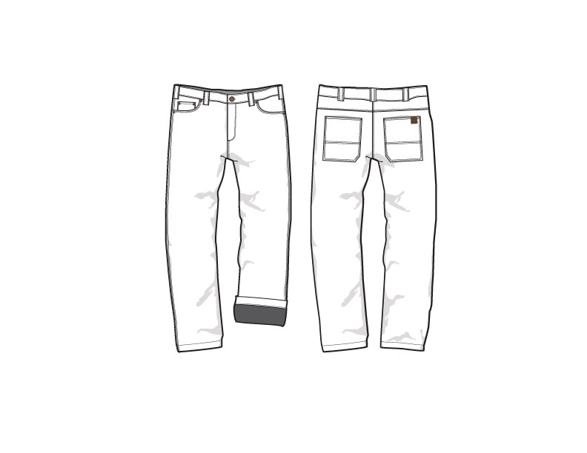
PRODUCTION

FRONT
 |  |  | COLEMAN
SEASON | FALL 2026 | TECH PACK SENT | 2026-02-04 | ORIGINAL DATE: | 2/4/26 | Reason for Revision
GROUP | BOTTOMS | PROTO RCVD | 0 | Revised 1: | 0 | 0
STYLE # | CF6P5959 | SHOWROOM SAMPLE | 0 | Revised 2: | 0 | 0
DESCRIPTION | FLEECE BONDED 5-POCKET PANTS |  |  | Revised 3: | 0 | 0
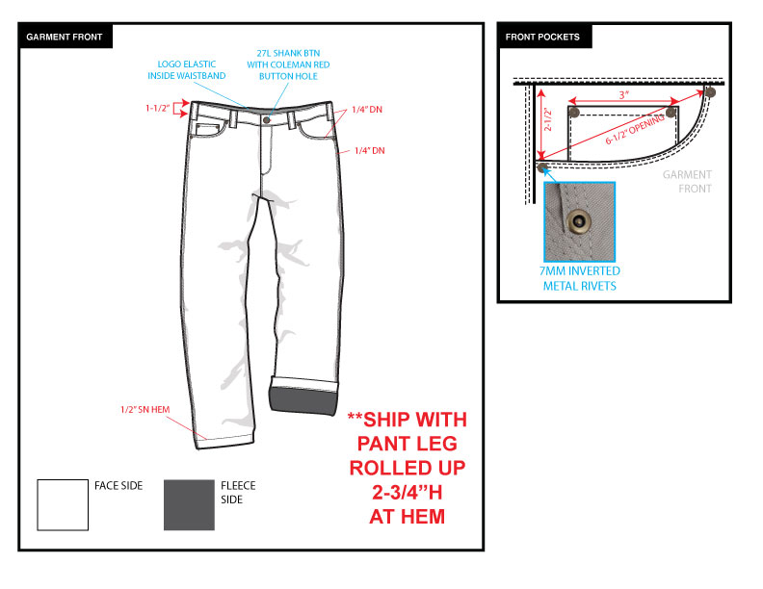

BACK
 |  |  | COLEMAN
SEASON | FALL 2026 | TECH PACK SENT | 2026-02-04 | ORIGINAL DATE: | 2/4/26 | Reason for Revision
GROUP | BOTTOMS | PROTO RCVD | 0 | Revised 1: | 0 | 0
STYLE # | CF6P5959 | SHOWROOM SAMPLE | 0 | Revised 2: | 0 | 0
DESCRIPTION | FLEECE BONDED 5-POCKET PANTS |  |  | Revised 3: | 0 | 0

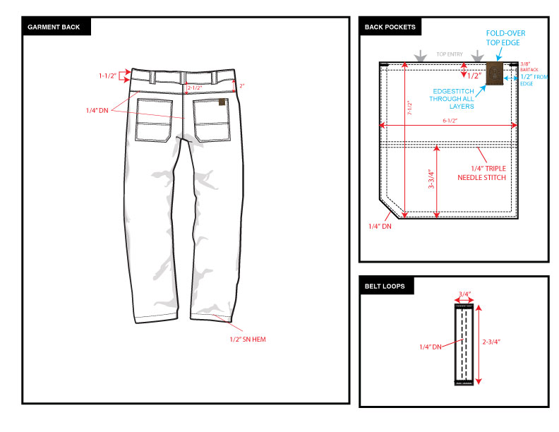

COLORS
 |  |  | COLEMAN
SEASON | FALL 2026 | TECH PACK SENT | 2026-02-04 | ORIGINAL DATE: | 2/4/26 | Reason for Revision
GROUP | BOTTOMS | PROTO RCVD | 0 | Revised 1: | 0 | 0
STYLE # | CF6P5959 | SHOWROOM SAMPLE | 0 | Revised 2: | 0 | 0
DESCRIPTION | FLEECE BONDED 5-POCKET PANTS |  |  | Revised 3: | 0 | 0

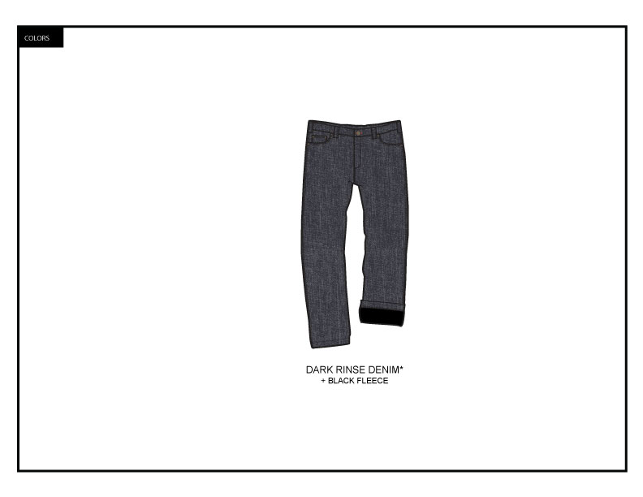

FABRIC & TRIM
 |  |  |  |  |  |  | COLEMAN
SEASON | FALL 2026 |  |  |  |  | TECH PACK SENT | 2026-02-04 |  | ORIGINAL DATE: | 2/4/26 | Reason for Revision
GROUP | BOTTOMS |  |  |  |  | PROTO RCVD | 0 |  | Revised 1: | 0 | 0
STYLE # | CF6P5959 |  |  |  |  | SHOWROOM SAMPLE | 0 |  | Revised 2: | 0 | 0
DESCRIPTION | FLEECE BONDED 5-POCKET PANTS |  |  |  |  |  |  |  | Revised 3: | 0 | 0

FABRIC
MATERIAL DESCRIPTION | VENDOR | CONTENT | WT/GG | PLACEMENT |  | CLRWY 1 | CLRWY 2 | CLRWY 3 | CLRWY 4 | CLRWY 5 | CLRWY 6
W-2849 FLEECE BONDED DENIM | FTY DEVELOPED | 74% COTTON/ 25%POLY/ 1% SPAN +100% POLY FLEECE | 420GSM | MAIN BODY FABRIC |  | DARK DENIM RINSE + BLACK FLEECE
TWILL POCKETING (45X45/110X76) | FTY DEVELOPED | T/C 80/20 | 105GSM | POCKET BAGS |  | BLACK

NOTES/WASH | GARMENT WASH--SUBMIT PANELS
GARMENT FEATURES* | TEAR RESISTANT
*IT IS THE RESPONSIBILITY OF THE VENDOR TO INCLUDE THESE FEATURES AND THE NECESSARY TESTS TO CONFIRM CLAIMS WHETHER THEY ARE INHERENT OR ADDED TO THE FABRIC
TRIMS & NOTIONS
MATERIAL DESCRIPTION | VENDOR | TRIM CODE | SIZE | PLACEMENT | QTY | CLRWY 1 | CLRWY 2 | CLRWY 3 | CLRWY 4 | CLRWY 5 | CLRWY 6
LOGO ELASTIC (K-2006) | FTY DEVELOPED | CMEL-03 | 1-5/8" WIDE | INSIDE WAISTBAND | 1 | GREY
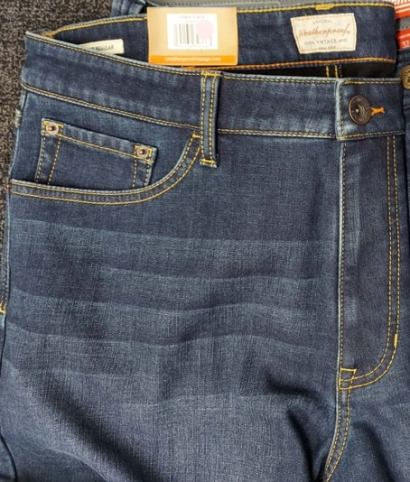
COLEMAN LANTERN SHANK BUTTON | FTY DEVELOPED | CMLS-04 | 27L | CF CLOSURE | 1 | ANTIQUE BRASS
METAL ZIPPER TEETH | YKK OR EQUIVALENT |  | #4.5 | CF FLY | 1 | ANTIQUE BRASS
POLY ZIPPER TAPE | YKK (NATULON) OR EQUIVALENT |  | #4.5 | CF FLY | 1 | COLEMAN RED
AUTO-LOCK METAL ZIPPER SLIDE/PULL | YKK OR EQUIVALENT | DS | #4.5 | CF FLY | 1 | ANTIQUE BRASS
INVERTED METAL RIVETS | FTY DEVELOPED |  | 7MM DIA. | 1 @ EACH FRONT POCKET CORNER & 1 @ EACH COIN POCKET CORNER | 6 | ANTIQUE BRASS
COLEMAN FOLD-OVER CHAMUDE PATCH | FTY DEVELOPED | CMCP-10 |  | FOLDED AROUND UPPER RIGHT EDGE OF WEARER'S BACK RIGHT POCKET | 1 | BROWN
THREAD | FTY SUPPLY |  | AS REQUIRED | MAIN BODY THREAD |  | GOLD (MATCH WEATHERPROOF SAMPLE)
CONTRAST THREAD | FTY SUPPLY |  |  | BUTTONHOLE @ CF WAISTBAND |  | COLEMAN RED

RECYCLED POLYESTER MAIN LABEL | FTY DEVELOPED | CMWL-03 |  | INSIDE BACK WB | 1 | COLEMAN RED
RECYCLED POLYESTER COO/SIZE LABEL | FTY DEVELOPED | CMWL-25 |  | SEWN BELOW MAIN LABEL | 1 | COLEMAN RED
CARE LABEL WITH TRACKING | FTY DEVELOPED | CMCL-03 |  | SEWN INTO INSIDE WB SEAM ON WEARER'S LEFT, 4" FROM FLY | 1 | WHITE
FABRIC SWATCH | FTY DEVELOPED |  | 3" DIA. | ATTACHED WITH 1/2" CLEAR SWIFT TACK (PRODUCTION WILL ADVISE PLACEMENT) | 1 | DARK DENIM RINSE + BLACK FLEECE

HANGTAGS & PACKAGING
MATERIAL DESCRIPTION | VENDOR | TRIM CODE | SIZE | PLACEMENT | QTY | CLRWY 1 | CLRWY 2 | CLRWY 3 | CLRWY 4 | CLRWY 5 | CLRWY 6
RECYCLED PAPER WXL JOKER TICKET | FTY DEVELOPED | TBD |  | PRODUCTION WILL ADVISE PLACEMENT | 1
RECYCLED PAPER POCKET CARD | FTY DEVELOPED | TBD |  | PRODUCTION WILL ADVISE PLACEMENT | 1
SIZE STICKER | FTY DEVELOPED | CMSS-04 |  | PRODUCTION WILL ADVISE PLACEMENT | 1
CALL-OUT STICKER | FTY DEVELOPED | TBD |  | PRODUCTION WILL ADVISE PLACEMENT | 1

TRIMS FOR SAM'S ORDER ONLY
RECYCLED PAPER SAM'S WxL JOKER WITH RFID | R-PAC | CMJK-10 |  | PRODUCTION WILL ADVISE PLACEMENT | 1 | BLACK WITH SAM'S COLOR CODE
RECYCELD PAPER SAM'S POCKET CARD | FTY DEVELOPED | CTAG-153 |  | PRODUCTION WILL ADVISE PLACEMENT | 1 | PHOTO
SAM'S W X L SIZE STICKER | FTY DEVELOPED |  |  | PRODUCTION WILL ADVISE PLACEMENT | 1 | SAM'S COLOR CODE
CALL-OUT STICKER | FTY DEVELOPED | CMSS-30 |  | PRODUCTION WILL ADVISE PLACEMENT | 1 | RED/ GREY

TRIM DETAIL
 |  |  | COLEMAN
SEASON | FALL 2026 | TECH PACK SENT | 2026-02-04 | ORIGINAL DATE: | 2/4/26 | Reason for Revision
GROUP | BOTTOMS | PROTO RCVD | 0 | Revised 1: | 0 | 0
STYLE # | CF6P5959 | SHOWROOM SAMPLE | 0 | Revised 2: | 0 | 0
DESCRIPTION | FLEECE BONDED 5-POCKET PANTS |  |  | Revised 3: | 0 | 0

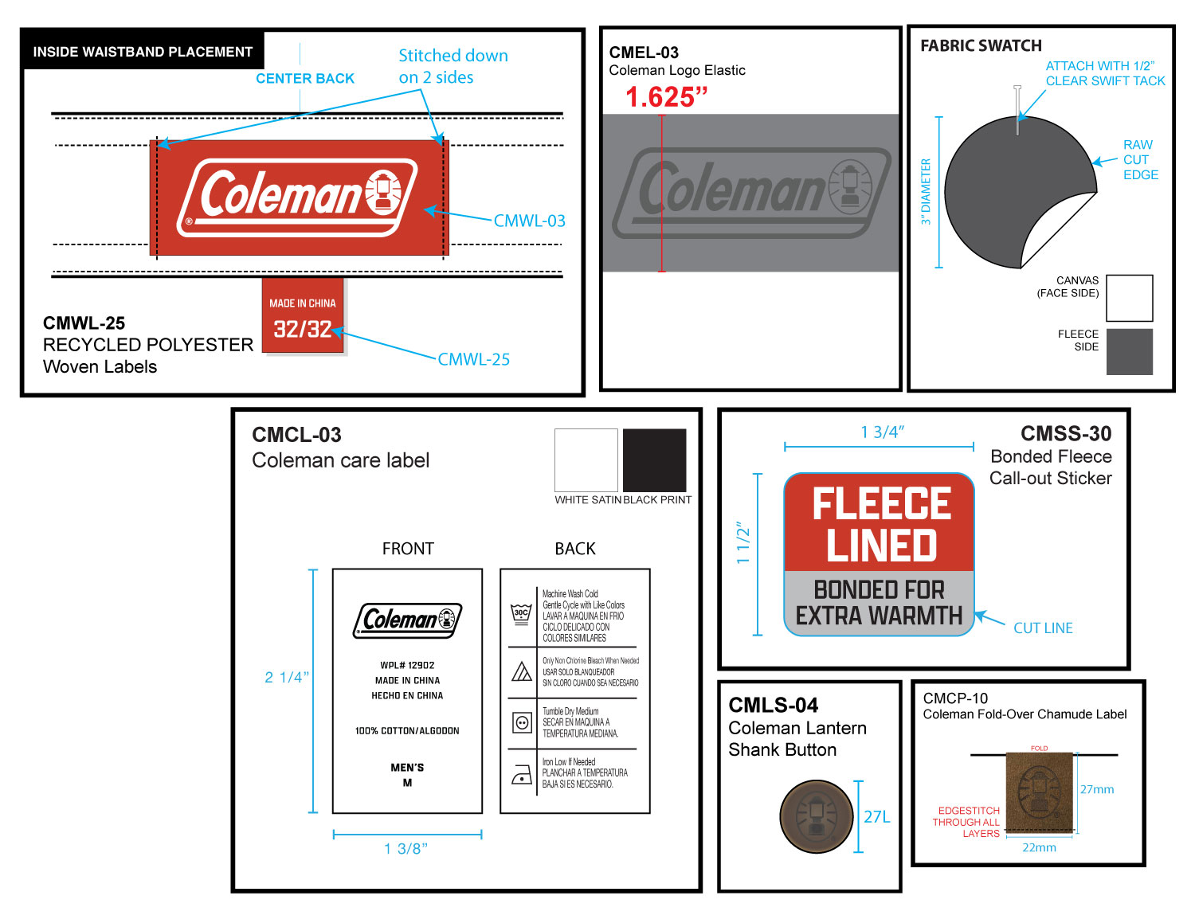

 |  |  | COLEMAN
SEASON | FALL 2026 | TECH PACK SENT | 2026-02-04 | ORIGINAL DATE: | 2/4/26 | Reason for Revision
GROUP | BOTTOMS | PROTO RCVD | 0 | Revised 1: | 0 | 0
STYLE # | CF6P5959 | SHOWROOM SAMPLE | 0 | Revised 2: | 0 | 0
DESCRIPTION | FLEECE BONDED 5-POCKET PANTS |  |  | Revised 3: | 0 | 0

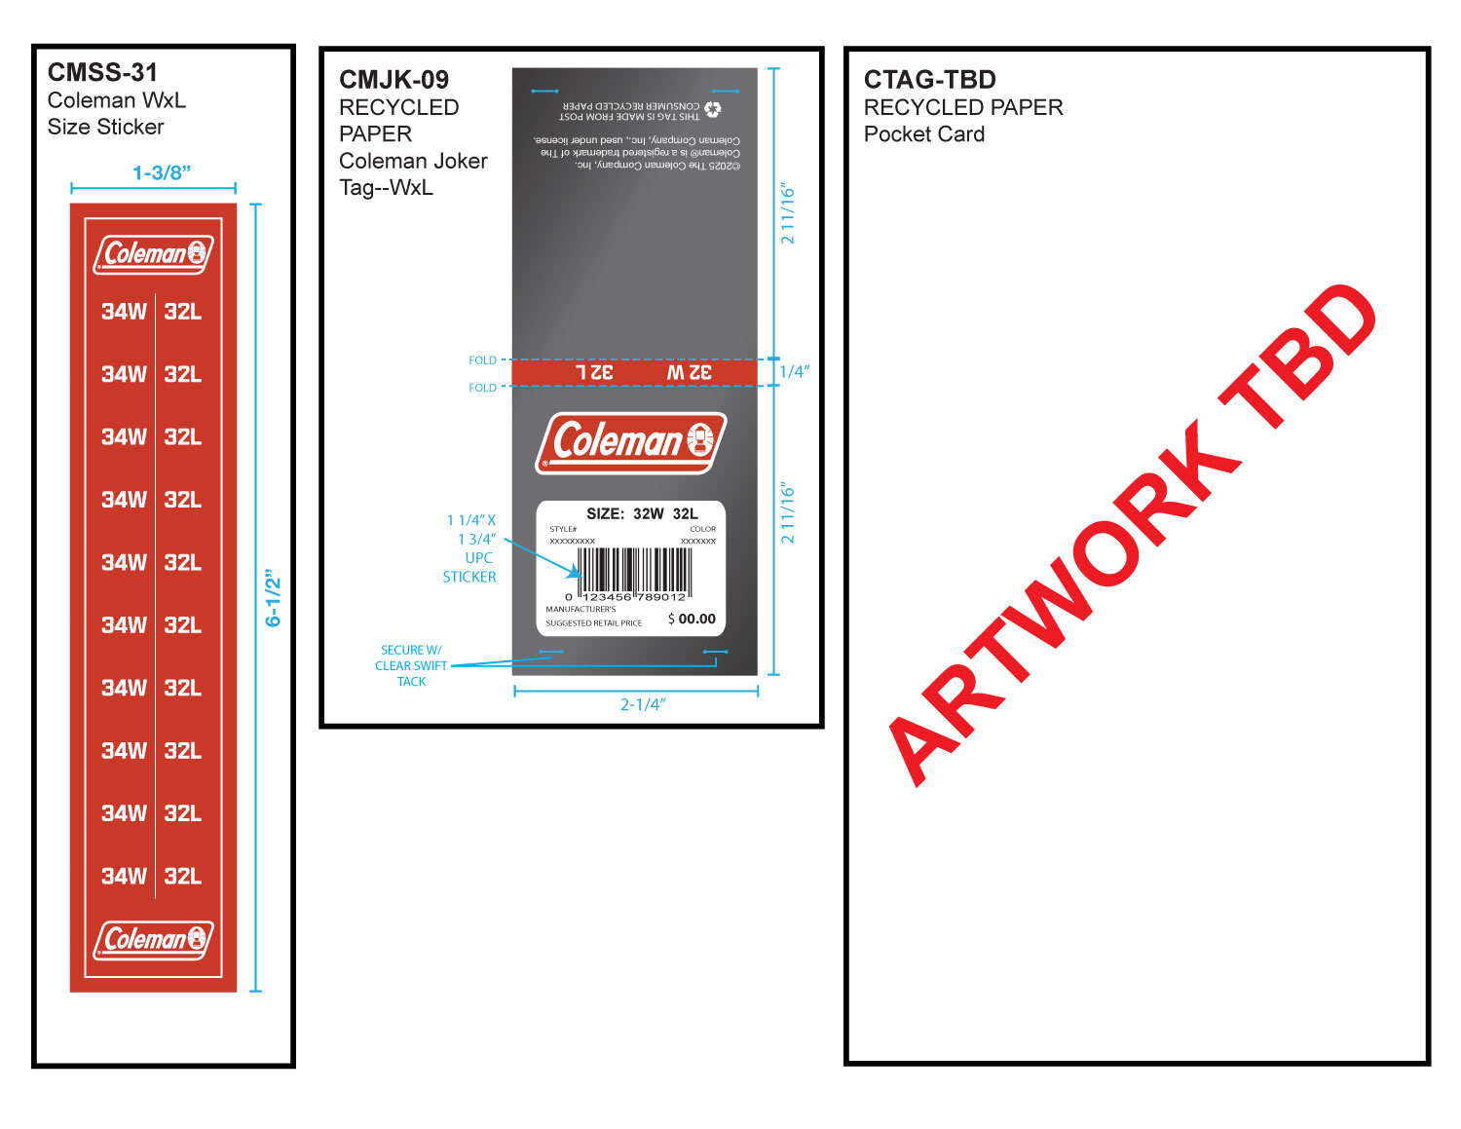

 |  |  | COLEMAN
SEASON | FALL 2026 | PROTO # | 46057 | ORIGINAL DATE: | 2/4/26 | Reason for Revision
GROUP | BOTTOMS | PO# | 0 | Revised 1: | 0 | 0
STYLE # | CF6P5959 | VENDOR | 0 | Revised 2: | 0 | 0
DESCRIPTION | FLEECE BONDED 5-POCKET PANTS |  |  | Revised 3: | 0 | 0

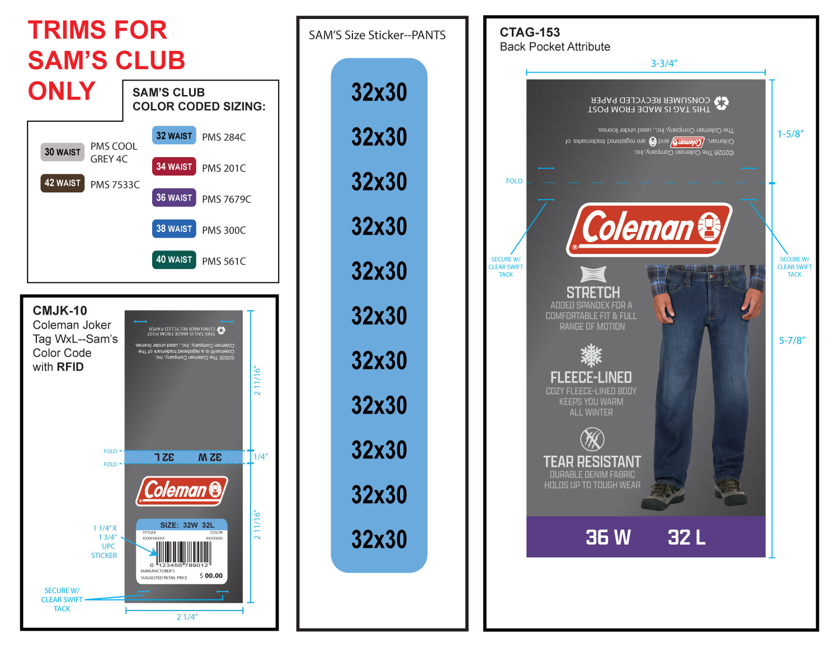

ARTWORK TBD

